Sheet1
Title | Year | DOI / Link | Topics Explored | Observations | Possible Research Areas Suggested | My Comments
Modelling of wire-arc additive manufacturing – A review | 2023 | Advances in Industrial and Manufacturing Engineering - https://doi.org/10.1016/j.aime.2023.100121 | - Eqns, Coupling, Macro Scale Modelling | - Asymmetric Gaussian distributed heat source models, like double-ellipsoidal moving heat source of Goldak et al. (1984). - Helpful in MESHING - Discusses on techniques rather than results obtained from techniques, could serve as good start point if simulations done | - Moving on from linear path material deposition of simple material to complex path, and non linear i.e arbitray material deposition path | - Could Learn Phase Field Modelling or any other thing to also combine microstructure
Multi-Material Wire Arc Additive Manufacturing of low and high alloyed aluminium alloys with in-situ material analysis | 2021 | Journal of Manufacturing Processes https://doi.org/10.1016/j.jmapro.2021.08.005
Analysis of process parameters, deposition strategies and build orientations in wire‑arc additive manufacturing (WAAM) | 2024 | Progress in Additive Manufacturing (2025) 10:5711–5729 https://doi.org/10.1007/s40964-024-00938-w | - Process Parameters, Hardness, Statisical Studiy | - the spatter generation, the thermal influence zone and even the size of the structures are influenced by the combined effects of the process parameters - patter islands are mostly seen around the samples deposited with low current level (i.e. 120 A) - Increase in current and speed increases hardness by upto 10% only. One of the reasons - higher travel speed favours in producing a harder material [can refer to 42] for further - Dwell TIme is preferred, more understanding of Interpassing Cooling is required - Wall width can increase wrt increase in layer heat accumulation in the upper wall sections due to lower thermal path for heat transfer through conductions - unidirectional deposition strategy causes material accumulation on the starting position while leading to material reduction at the end of the wall [refer 17]. - RSM with CCD - in line-type discontinuous patterns such as alternate and raster, phase transformations have the least influence. Alternate line pattern resulted in more uniform residual stress and distortion, making it the preferred choice. | - Employing alternative techniques such as diagonal printing, controlling interlayer temperature or wait time, or utilizing adaptive heat input control to characterize microstructure wrt heat | - n Number of layers, geometric dimensions and properties vary. - Though, first order general analysis can be done. | 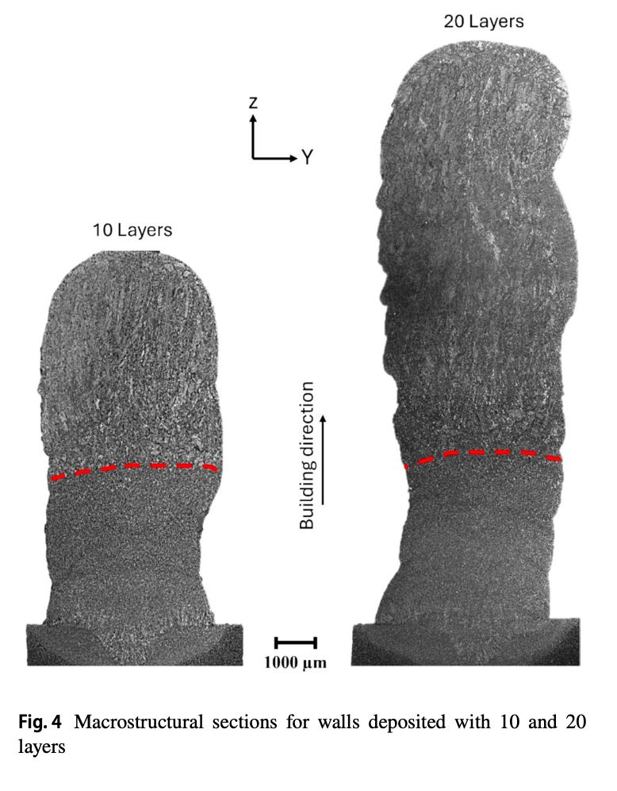
Comparative thermal and computational analysis of the WAAM process using FEM and FDM models with experimental validation | 2026 | Welding in the World - https://doi.org/10.1007/s40194-026-02505-z | - FDM and FEM related custom implementaiton of WAAM | - FDM is Computationally fast - Resolving Heat Source Accurately is done using FEM -single bead and double double-ellipsoid heat source model - Melt pool is modelled using heat source model | - Accurate Modelling of Heat Source in FDM | - Can refer to their codes. Email them
Effect of Interpass Temperature on Wire Arc Additive Manufacturing Using High-Strength Metal-Cored Wire | 2022 | Metals - https://doi.org/10.3390/met12020212 | - Intepass temperature effect and Microstructural Characterization | - Interpass Temperature affects physical propoerties, such that not too low, not too high intermediate, decided on cooling rate. - interpass cooling produces less surface oxidation, refined microstructure, and enhanced strength. - microhardness of metallic materials has a linear relationship with the ultimate tensile strength - higher interpass temperature produced larger grains. | - N/A | - What is texture Index?
Mechanical properties, microstructural characteristics and heat treatment effects of WAAM stainless-steel plate material |  | Journal of Building Engineering - | - CMT-GMAW for Construction, | - Mechanical properties were associated with the metallographic structure and fracture morphology. - Compared to the heat-treated counterpart, the non-heat-treated material exhibited higher yield and ultimate strengths but lower ductility. - Anisotropy in WAAM material behaviour results from a strong crystallographic texture - | - N/A | - Check for Fracture Strain | 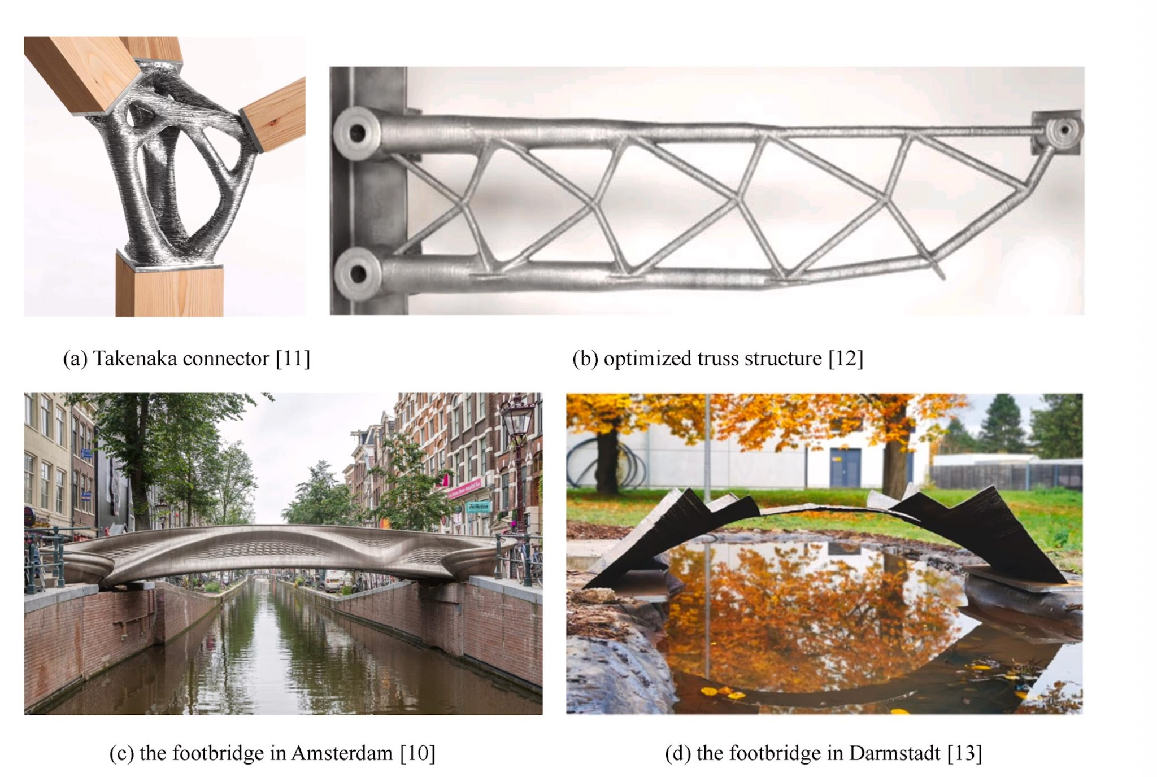
Effect of heat input on microstructure and mechanical property of wire-arc additive manufactured Ti-6Al-4V alloy | 2022 | Welding in the World - https://doi.org/10.1007/s40194-021-01248-3 | - Ti-6AL-4V | - Grain morphology and tensile strength - the primary objective of metal AM is to minimise the variation in the mechanical properties in various directions by transforming the columnar prior-β grains into equiaxed grains. - Tensile strength, hardness is higher i - microstructure in WAAM falls into the mixture phase region that is, α′+ α_massive + α [22]. The αmassive phase is primarily observed in the region reheated above β-transus temperature of EBW - More alpha, more hardness, tensile - Wider weld pool suggests more oxygen and nitrogen disolving - more thermal cycles and rapid cooling rates result in more α colonies and fine secondary α | - Nothing Much - Could evaluate different HI but same Geometry |  | 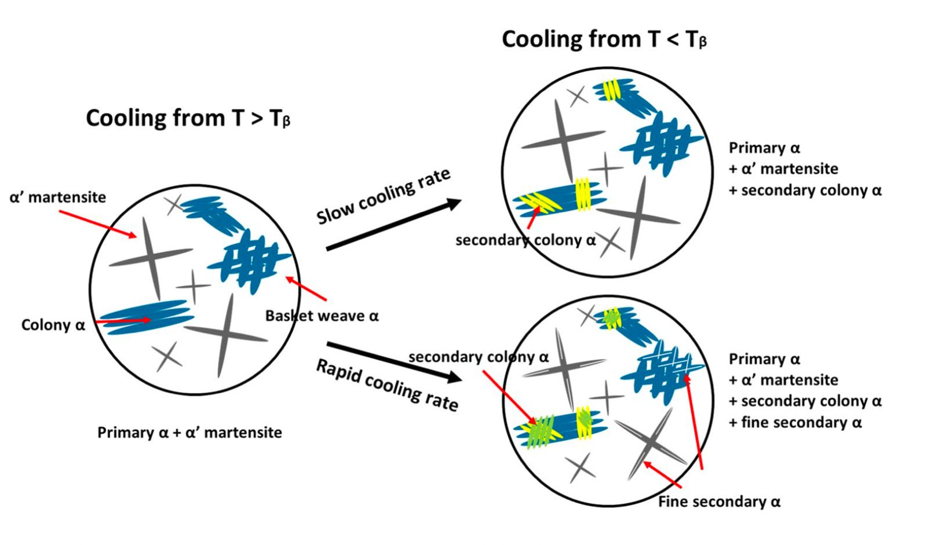
Review on Cellular Automata for Microstructure Simulation of Metallic Materials | 2024 | Materials - https://doi.org/10.3390/ma17061370 | - Cellular Automata and its' use in all fields | - CA are not determined by any function or physical equation - evolution process of microstructures, primarily through transformation rules - CA method ranges from 10−10 to 10−6 m [17], for the MC method it ranges from 10−10 to 10−6 m [17], and for the PF method it ranges from 10−9 to 10−5 m - CA method, the physical system of interest is divided into cells, where each cell is allowed to interact iteratively with its neighbors according to some specific rules. | - Development of unified commericial software - Development of the CA rule system and the new CA model | - Investigate rules of CA
Material testing and analysis of WAAM stainless steel | 2021 | Proceedings in Civil Engineering - https://doi.org/10.1002/cepa.1476
The influence of microstructural anisotropy on the hot deformation of wire arc additive manufactured (WAAM) Inconel 718 | 2021 | Journal of Material Science Engineering - https://doi.org/10.1016/j.msea.2021.141733 | - Microstrutural variation due to hot deformation, EB-WAAM, IN718 | - The WAAM samples show an axial texture along the building direction (⟨001⟩//BD). The microstructural anisotropy remains after homogenisation. - Under the high-flow-stress hot working condition, when the compression direction is perpendicular to the longitudinal direction of columnar grains, the deformed samples present a more uniform microstructure with equiaxed fine recrystallized grains; while when compressed along the longitudinal direction, the original coarse grains are deformed but remain with a lower fraction of crystallised grains formed along the grain boundaries. |  | The preference of compression direction perpendicular to the build direction (CD⊥BD) in achieving a higher microstructure uniformity is basically due to the resulting higher aspect ratio of the columnar grains. The resulting shortened distance across the original grains allows newly recrystallized grains to grow across the original grain. This is the main driver of the resulting microstructure uniformity, while dependence on texture is of secondary importance.
In situ observation of melt pool evolution in ultrasonic vibration-assisted directed energy deposition | 2023 | Nature Scientific Reports - https://www.nature.com/articles/s41598-023-44108-4 | Ultrasonic Bed, 316L | - Acoustic Caviaition due to high and low pressure areas, inward inertia, imploding, HT - Vibrational Energy transfer via waves - Steady Fluid Flow and Temperature Distirubution towards edges due to Acoustic Interactions also known as Acoustic Streaming - Effect of Ultrasound egffect drops down with rise in layer, attentuation is around 0.2 per layer (for ss316L). Since, UV-A increases mett pool temperature, higher layer has higher heat accumulation, less profound effectof waves so either tune frequency or apply directly to melting poolUV - dendritic arm spacing decreases with increasing cooling ­ rate - According to Mukherjee and ­ DebRoy73 - 316L stainless steel is particularly susceptible to the formation of lack-of-fusion porosity due to its high density, which results in smaller melt pools. To overcome the formation of such defects, it is recommended to optimize deposition parameters to achieve larger melt pools, a larger heat input into the melt pool, a higher Marangoni number, and a higher peak temperature within the melt ­ pool73 - dynamic solidification has been utilized to suppress formation of defects and promote nucleation of finer crystals- ultrasonic vibration-assisted (UV-A) directed energy deposition (DED) has been shown to reduce porosity, promote grain refinement, and enhance mechanical performance in metal components. - The effect of UV on the melt pool is caused by the combined mechanisms of acoustic cavitation, ultrasound absorption, and acoustic streaming. -Dynamic solidification involves forced motion of molten metal ahead of the solidification front, through means such as vibration and electromechanical stirring. | - Investigate with adding uva in not only substrate but elsewhere too. | - A piezoelectric ultrasonic transducer was coupled to the bottom-center of a 316L stainless steel substrate.
Wire and arc additive manufacturing of 308L stainless steel components: Optimization of processing parameters and material properties | 2021 | Engineering Science and Technology, an International Journal - https://doi.org/10.1016/j.jestch.2021.01.009 | - SS308 | - Developed Regression Model - Carried out exp with 100a, 120a, 140a - Exp chosen with RSM - Hall-Petch Reln According to this relationship, the yield strength and hardness of materials will be higher in zones with finer grains in microstructure | -Understand austenite and ferrite phase | - e columnar austenite dendrites and residual fer- rite existing within the austenitic matrix. In a specific deposited layer, the columnar dendrites epitaxially grow from the remelted zone of the previous layer along the build direction, and then transformed into coarse columnar structures with equiaxed grains at the top of the layer. - austenite dendrites gamma and residual ferrites delta existing within austenitic matrix - or austenite stainless steels, the solidification mode is identi- fied by the Creq/Nieq ratio,
Multi-Material Wire Arc Additive Manufacturing of low and high alloyed aluminium alloys with in-situ material analysis | 2021 | Journal of Manufacturing Processes - https://doi.org/10.1016/j.jmapro.2021.08.005 | Al5060 and Al6087, As Built, T6 treatment, In-Situ Spectral Analysis | - Mono Printing - Multi-Printing using CMT with and without pulse - With Heat Treatment T6, Yield Strength of Sample is less than mono A5 and A6. - Fracture Elongation is high for 5060 and UTS is high for 6087 - Pores are formed in Al5060 - Black Soot is formed which is of Mg and other in 5 series - The material transitions induced by the CMT + P mode, showed a deeper and smoother transition zone, than the material transitions induced by the CMT mode. This was due to the higher energy input in the CMT + P mode, which increased the welding penetration depth into the previous track. | In-Situ Observation / Spectral Analsysis and Frequencies to identify consitutents | One main challenge to overcome in multi-material processing are cracks in the material transition zone (MTZ) due to brittle phases, caused by mixing the different materials, or by the differences in the coefficients of thermal expansion
Microstructure and properties of multi-material WAAM components with alternate dissimilar aluminum alloy deposition | 2026 | Journal of Alloys and Compounds - https://doi.org/10.1016/j.jallcom.2026.189088 | Al5356, Al7075, Strength & Corrosion Check

FEM Simulation Procedure for Distortion and Residual Stress Analysis of Wire Arc Additive Manufacturing | 2020 | IOP Conf. Series: Materials Science and Engineering 834 (2020) 012083 doi:10.1088/1757-899X/834/1/012083 | Compared Rectangular & Goldak Heat Source |  |  | N/A

Preventing Formation of Metal Dendrites During Electroplating Using External Ultrasonic Actuators | 2022 | IEEE International Ultrasonics Symposium - 10.1109/IUS54386.2022.9957777 | N/A | N/A | - N/A | Relevant for Batteries only

High-Throughput Experiment and Numerical Simulation to Study Solidification Cracking in 2195 Aluminum Alloy Welds | 2022 | The Minerals, Metals & Materials Society and ASM International 2022 - https://doi.org/10.1007/s11661-022-06655-9
Integrated experimental and simulation approach to establish the eﬀect of elemental segregation in Inconel 718 welds | 2022 | Materilia - https://doi.org/10.1016/j.mtla.2022.101593
Phase Field modeling of solidication microstructure evolution during welding | 2018 | Journal of Materials Processing Tech - https://doi.org/10.1016/j.jmatprotec.2017.12.007

